PRD
 | Product Requirement Document (PRD) - Version: 2.0

 | Template Name |  | Food Delivery System
 | Goals & Objective |  | 1.Provide a user-friendly platform that makes it easy for customers to order food from their favorite restaurants. 2.Ensure fast delivery times, so customers receive their food quickly and efficiently. 3.Offer a wide range of food options, including different cuisines and menu items, to cater to a diverse range of customers 4.Ensure the quality of the food being delivered, maintaining its taste, freshness, and temperature throughout the delivery process. 5.Offer affordable prices, making it easy for customers to order food within their budget. 6.Provide excellent customer service, including responsive support, easy-to-use ordering, and quick delivery. 7.Develop a website that is easy to navigate, visually appealing, and optimized for a seamless user experience 8.Create a database of restaurants, menus, and customer profiles to ensure accurate and up-to-date information is available at all times. 9.Implement a user-friendly ordering and pa |  |  | GROUP-6
 | Client Information |  | Food Rush |  |  | Name | ID
 | Product Type |  | Web Application |  |  | Showmitra Roy | 20-44208-3
 | Domain |  | E-commerce |  |  | Md. Hajjaj Bin Sonosi | 20-44346-3
 | Access Layers |  | Admin,Vendors,Delivery man,Customers |  |  | Asif Ahmed Tanjid | 20-44249-3
 | Design Required |  | Yes |  |  | Sunjida Kabir Shepa | 20-44263-3

Role | Phase | Item No | Specification [Role] | Screen Definition | User Story | Acceptance Criteria | UI Screen / Wireframe | Tags
Asif Ahmed Tanjid | Feature: 1 |  | Auth Feature
 | phase 1 | 1 | Login [Admin] [Vendors] [Customers][Delivery man] | <Form> <input=username> <input=password> <button=submit> | Enter registered email (input) - Enter password (input) [Logic: At least 8 characters long, atleast one special character] - Click Login (button) [Logic: If the email and password matches with any user's credential (predetermined credentials from database), user will be able to access his dashboard] - Forget password (link) [Logic: redirect user to Forget Password page] - Signup (link) [Logic: redirect user to Signup page]" | Email (input) field should only accept a valid email address as input, otherwise will show an 'invalid email' message. - Password (input) should be minimum 8 characters long, otherwise show an invalid message - On clicking login button, if email and password match with any predefined credential in database, user will be redirected to his dashboard. - On clicking login button, if credentials do not match, it will show an error message (invalid email or password). - upon trying more than five times sequentially, user will be blocked for 1 hour. " |  | login
 | phase 1 | 2 | Signup [Vendors] [Customers][Delivery man] | <Form> <input=name> <input=email> <input=username> <input=gender> <input=dob> <input=password> <input=re-password> <button=submit> | Enter Full name (input) - Enter unregistered email (input) - Enter password (input) [Logic: At least 8 characters long, atleast one special character] - Enter password again (input) [Logic: should match password input] - Click Signup (button) [Logic: If the email is unique, user will be registered to the sysmem (databse)] - Signin (link) [Logic: redirect user to Login page]" | Email (input) field should only accept valid unregistered email address as input, otherwise will show an 'email already used' message. - Password (input) should be minimum 8 characters long. Otherwise show an invalid message. - Re-password (input) should match password. Otherwise show 'password do not match' message. - On clicking signup button, credential will be stored in database, user will be redirected to his dashboard. - A copy of the login information will be sent to his email." |  | signup
 | phase 1 | 3 | Forget Password[Admin] [Vendors] [Customers][Delivery man] | <Form> <input=email> <button=submit> | Enter registered email (input) - Click Reset Password (button) [Logic: sends a password reset link on the user's email. By clicking on the link users will be able to change their password] - Signin (link) [Logic: redirect user to Login page]" | Email (input) field should only accept valid registered email address as input, otherwise will show 'no user found' message. - On clicking reset button, a email will be sent to the user's email with a reset password link. - On clicking the reset password link, user will be redirected to a page, where user can input his new password. - The reset password link will get expired within 1 hour of link generation. |  | forgot_password
Asif Ahmed Tanjid | Feature: 2 |  | Social Authentication Feature
 | phase 1 | 4 | Facebook Signin [Admin] [Vendors] [Customers][Delivery man] | <link=signinviafb> | Click on continue with facebook. User can login with facebook account without registration. | user must provide a valid facebook account details |  | fb _signin
 | phase 1 | 5 | Google Signin [Admin] [Vendors] [Customers][Delivery man] | <link=signinviagoogle> | Click on sign in with google. User can login with google account without registration. | user must provide a valid googe account details |  | google_signin
Showmitra Roy | Feature: 3 |  | Legal Agreement Feature
 | phase 1 | 6 | Privacy Policy [Admin] [Vendors] [Customers][Delivery man] | <Form> <table> <input=text> <input=link> | All types of users can see this part | User must be clicked in to register button | 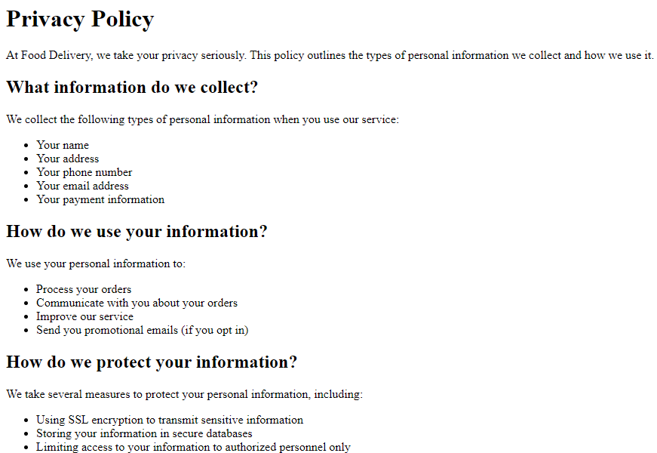 | privacy Poplicy
 | phase 1 | 7 | Terms & Conditions [Admin] [Vendors] [Customers][Delivery man] | <Form> <table> <input=text> <submit=button> | All types of users can see this part | User need to read it and must be agreed to continue | 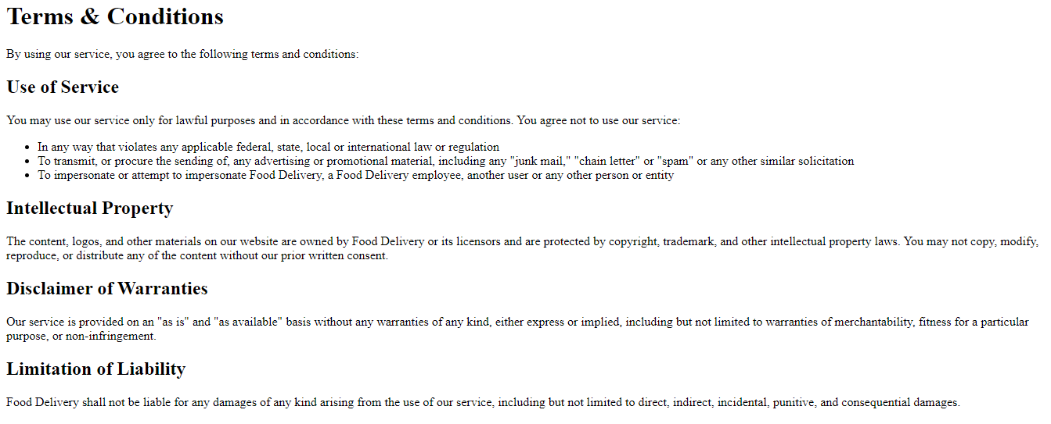 | termsConditions
Md. Hajjaj Bin Sonosi | Feature: 4 |  | Notifications Feature
 | phase 2 | 8 | Create Notification [Admin] [Vendors] | <Form> <table> <input=button> <input=link> | Admin and the vendor can only create notification | Admin and vendor must be ned to logged in | 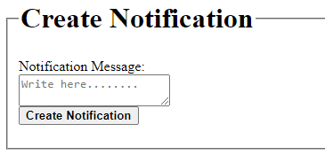 | createNotification
 | phase 2 | 9 | Delete Notification [Admin] | <Form> <table> <input=button> <input=link> | Only the admin can delete the notification | Admin need to logged in | 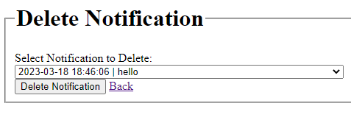 | deleteNotification
 | phase 2 | 10 | View Notification [Admin] [Vendors] [Customers][Delivery man] | <Form> <table> <input=button> <input=link> | Everyone has the access to see the notification | Anyone can see this | 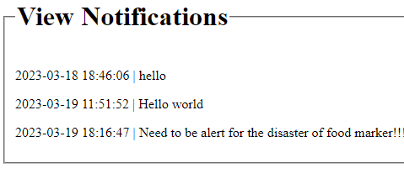 | viewNotification
 | phase 2 | 11 | Notification Setting [Admin] [Vendors] [Customers][Delivery man] | <Form> <table> <input=button> <input=link> | Everyone can set their notification | everyuser must be logged in. | 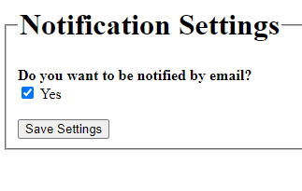 | notificationSetting
Asif Ahmed Tanjid | Feature: 5 |  | Profile
 | phase 2 | 9 | Edit Profile[Admin] [Vendors] [Customers][Delivery man] | <Form> <input=name> <input=email> <input=username> <input=gender> <input=dob> <button=submit> | Enter a proper/valid name that user want to change. Enter a valid email account enter gender details enter date of birth | user must enter valid email address and name. and the date of birth must not greater than 2005. and less than 1900.and all the information should be fullfilled. | 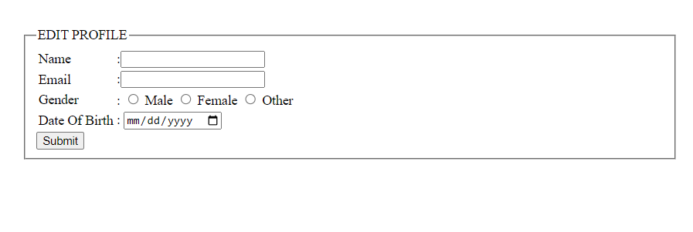 | edit_profile
 | phase 2 | 10 | View Profile [Admin] [Vendors] [Customers][Delivery man] | <label=name> <label=email> <label=gender> <label=dob> <img> <link=edit profile> <link=change profile picture> | user enter to the profile to see his information.user can go to the ling edit profile to change his existed profile information . And click on the change link to change profile picture. | Profile information must be accessed from DB. | 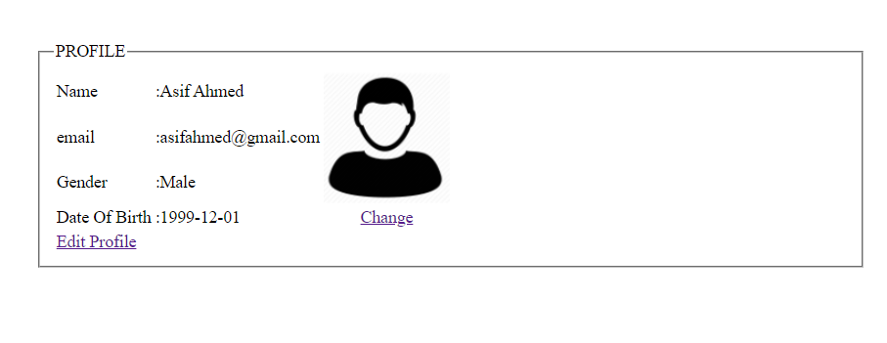 | view_profile
Asif Ahmed Tanjid | Feature: 6 |  | Searching feature
 | phase 2 | 11 | Search [Customers] | <Form> <input=search> <table=search result> | User can search food by fullfilling any information that matches with the food information. And the matches will appear. | Searched food should be available on that time.otherwise it will not appear. |  | search_food
 | phase 2 | 13 | Search [Admin] | <Form> <input=search> <table=search result> | Admin can search user by providing information such as ID, name,username,address etc.The matches will appear. | The information must be on DB to match. |  | search_user
Sunjida Kabir Shepa | Feature: 7 |  | Payment feature
 | phase 2 | 14 | Payment Method[Customers] | <Form> <radio=online> <radio=appwallet> <radio=cash on delivery> <button=submit> | User can select any payment method to pay for their desired food. | if user select app wallet. His app wallet should have enough money. |  | payment_method
Sunjida Kabir Shepa | Feature: 8 |  | Withdraw Money
 | phase 2 | 15 | Withdrawal methods [Admin] [Vendors][Delivery man] | <Form> <radio=bkash> <radio=nagad> <radio=bank account> <button=submit> | user can withdraw money from their app wallet to bkash/nagad/bank account. | User must have minimum balance of 1000 taka to withdraw money. |  | withdraw_method
 | phase 2 | 16 | withdraw confirmation [Admin] [Vendors] [Delivery man] | <Form> <input=account number> <input=ammount> <button=submit> <label=tranferred> | user have to enter account details of their desired withdrawal method. | user must have an valid account and ammount should be minimum 1000 or more. | 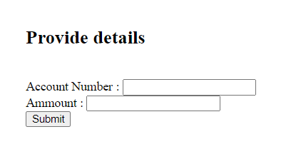 | withdraw_confirmation
Md. Hajjaj Bin Sonosi | Feature: 9 |  | Report generate
 | phase 2 | 17 | Financial Reports [Admin] [Vendors] [Delivery man] | <Form> <table> <input=text> <button=submit> | User can generate their financial report | Report must be generate from Database | 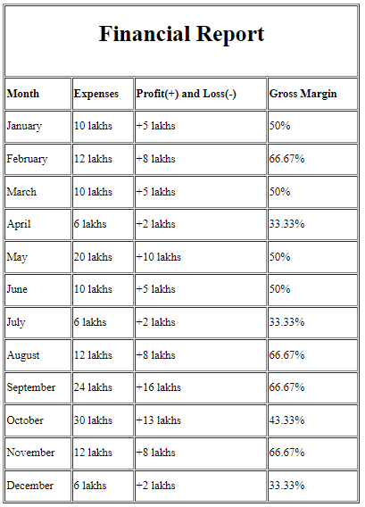 | Financial Reports
 | phase 2 | 18 | Inventory reports [Admin] [Vendors] | <Form> <table> <input=text> <button=submit> | User can generate their inventory report | Report must be generate from Database | 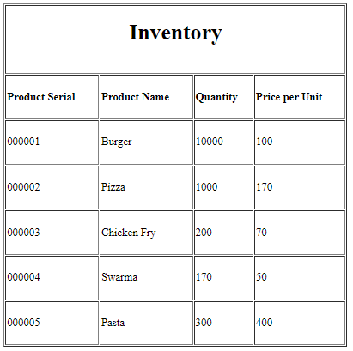 | Inventory reports
 |  | 19 | User reports [Admin] | <Form> <table> <input=text> <button=submit> | Admin can generate their user report | Report must be generate from Database | 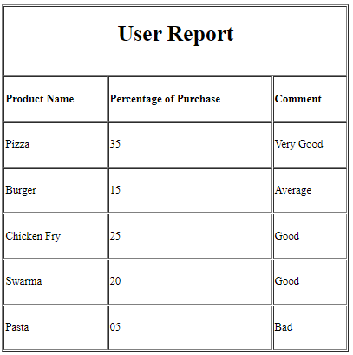 | User reports
 | phase 2 | 20 | Sales and Order Reports [Admin] [Vendors] | <Form> <table> <input=text> <button=submit> | Admin and vendors can generate their sales and order report | Report must be generate from Database | 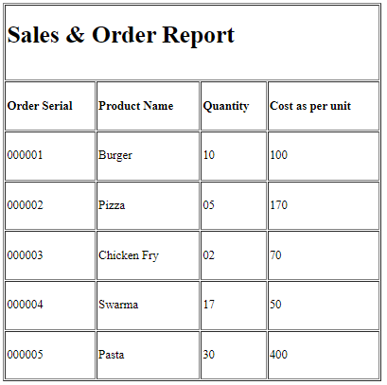 | Sales and Order Reports
Showmitra Roy | Feature: 10 |  | Loyalty point and vouchers
 | phase 2 | 21 | Loyalty Program [Admin] | <Form> <input=text> <button=submit> | Admin can give loyaltipoint to the customer according to their purchase | user must purchase product or refer to a friend. | 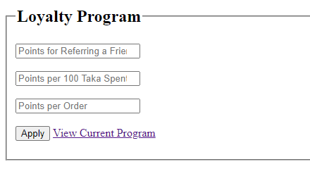 | loyalty Program
 | phase 2 | 22 | Voucher [Admin] [vendor] | <Form> <table> <input=text> <button=submit> | only admin and vendor can create voucher | voucher can not be converted to cash. Voucher has time limitation. | 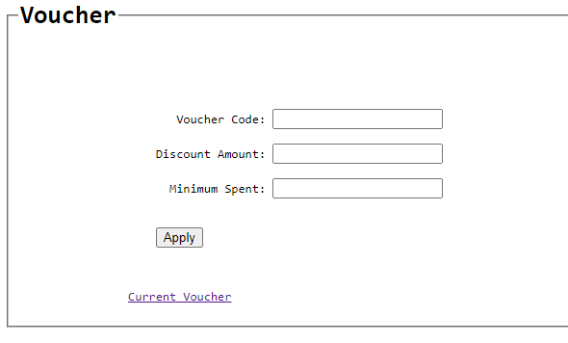 | Vouchers
 | phase 2 | 23 | Point Redemtion [Customer] | <Form> <table> <input=text> <button=submit> | customer can redeem their loyaltypoint to cash in their in app wallet | user must have minimum point of 100 to redeem | 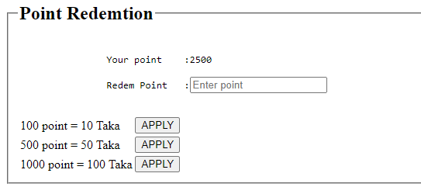 | pointRedemtion
Md. Hajjaj Bin Sonosi | Feature: 11 |  | Review and Ratings
 | phase 3 | 24 | view review & ratings [admin][Vendor] | <Form> <table> <input=textarea> <button=submit> | admin and vendor can see the review and the ratings | admin and vendor need to be logged in | 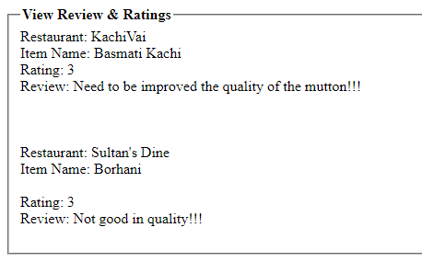 | viewReviewRating
 | phase 3 | 25 | Ratings Method [Customer] | <Form> <table> <input=radio> <button=submit> | customer can rate the restaurent | none | 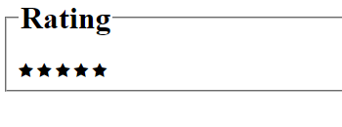 | Ratings
Showmitra Roy | Feature: 12 |  | Restaurant Management
 | phase 3 | 26 | Manage Menu [Vendor] | <form> <input=text> <link=button> <submit=button> | vendor can add, edit ,delete food item from menu | user must fill all information | 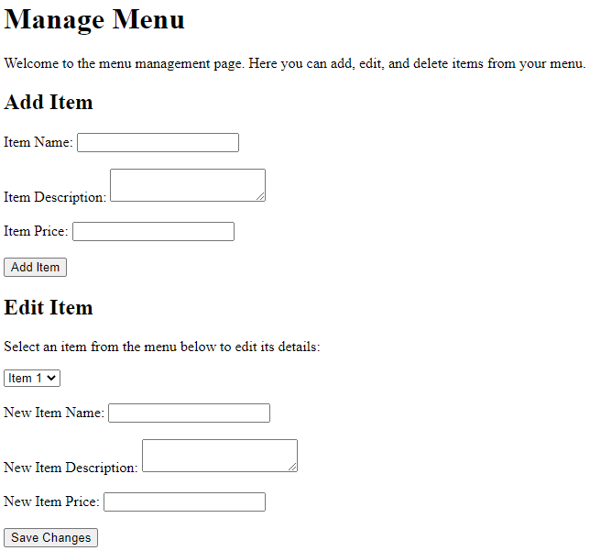 | Manage Menu
 | phase 3 | 27 | Schedule Manage [Vendor] | <form> <input=text> <link=button> <submit=button> | vendor can schedule their availability time | minimum open schedule should be 3 hours | 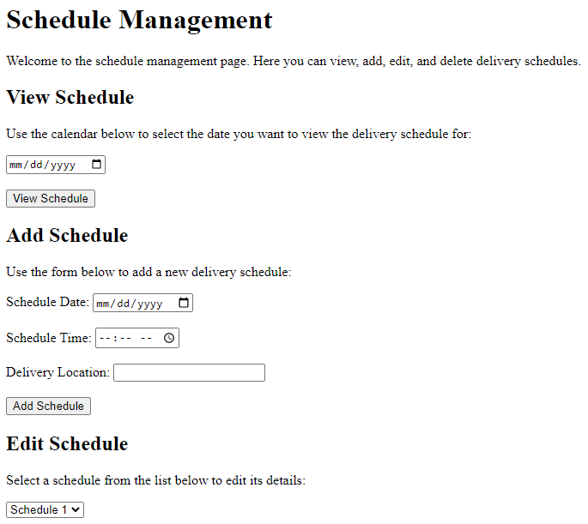 | Schedule Management
 | phase 3 | 28 | Inventory Management [Vendor] | <form> <input=text> <link=button> <submit=button> | Vendor can manage their inventory items | quantity should be only number | 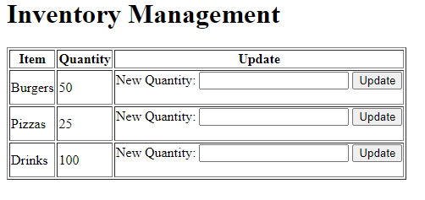 | Inventory Management
Asif Ahmed Tanjid | Feature: 13 |  | Admin Management
 | phase 3 | 29 | Dashboard [Admin] | <link=view all user > <link=search user > <link=add admin > | Admin can view all user. Can search for user details. Delete any user. And also can add admin. | user must be An admin to do so. |  | dashboard
 | phase 3 | 30 | Manage Vendors , delivery man and Customers [Admin] | <Form> <input=name> <input=email> <input=username> <input=gender> <input=dob> <input=password> <input=re-password> <button=submit> <table = userlist> <button =delete> | admin can manage all the user .can create account for another admin and delete any user from the DB. | Admin must provide valid information for creating account for other admin. | 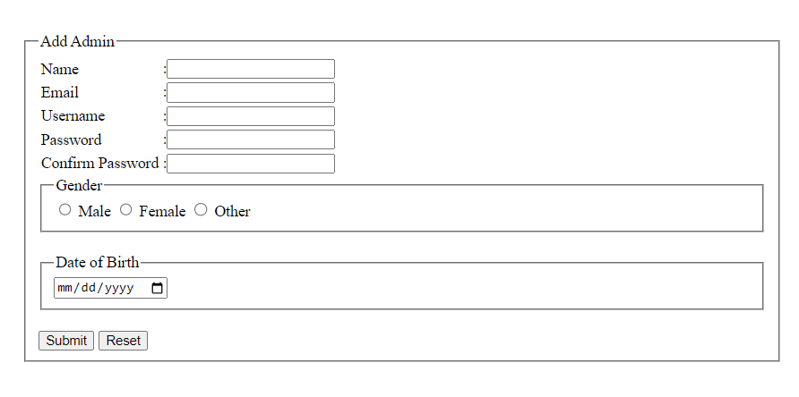 | manage-user
Sunjida Kabir Shepa | Feature: 14 |  | Food order feature
 | phase 3 | 31 | Menu Browsing [Customer] | <table = restaurent list> <link =menu> <table = food list> <link =cart> | user can browse restaurent and thorough link user can browse menu of the desired restaurent. | restaurent should be available that time to browse the menu. | 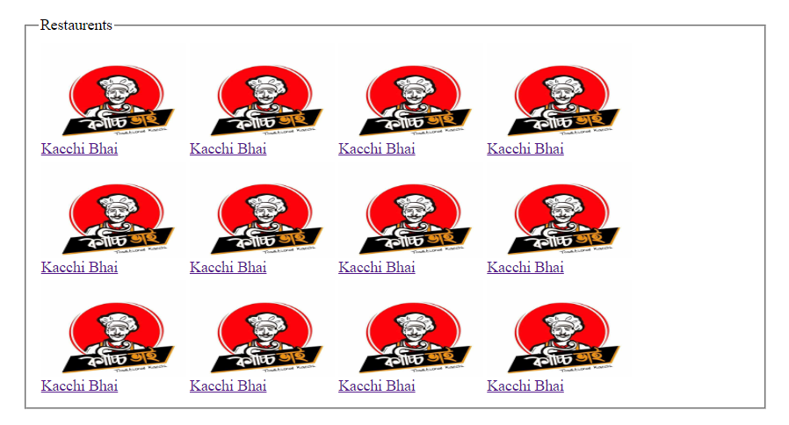 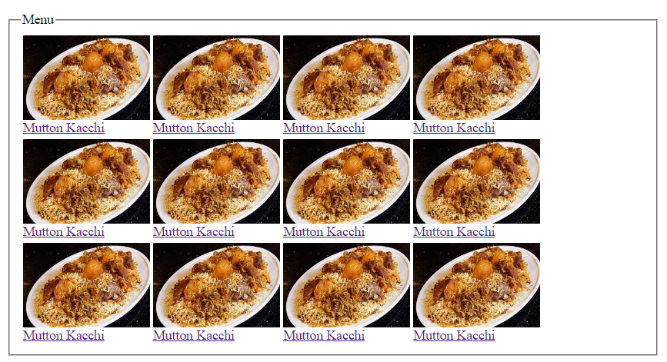 | menu_browse
 | phase 3 | 32 | Cart Management [Customer] | <img=food> <link=checkout> | User can add any food to the cart. | user must click on the add to cart link. |  | cart
 | phase 3 | 33 | Order Tracking [Customer] | <table=order list> <label=address> <link=cancelorder> | user can track their order . | user should have order ongoing to track the order. |  | order_track
 | phase 3 | 34 | CheckOut [Customer] | <label=foodname> <label=price> <link=checkout> | user can checout their cart item and order, | minimum of 1 item should be on card to checkout. |  | checkout
Md. Hajjaj Bin Sonosi | Feature: 15 |  | Help and Support
 | phase 3 | 35 | FAQ [Customer] | <form> <input=text> <submit=button> | some answere of requently asked question will be provided | none |  | FAQ
 | phase 3 | 36 | Complain [Customer] | <form> <input=text> <input=textarea> <submit=button> | Customer can complain for order's or vendor's | user must have a valid email and fullfilled every information | 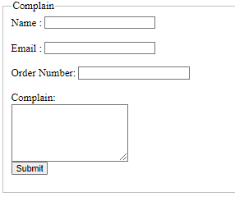 | Complain
 | phase 3 |  | viewComplain [admin][vendor] | <form> <input=text> <input=textarea> <submit=button> | admin and vendor can see this. | admin and vendor must be logged in |  | viewComplains
 | phase 3 |  | viewContactUs [admin][vendor] | <form> <input=text> <input=textarea> <submit=button> | admin and vendor can see this | admin and vendor must be need to log in |  | viewContactUs
 | phase 3 | 37 | Contact Us [Customer] | <form> <input=text> <input=commentbox> <submit=button> | customer can contact with admins and get support | user must have a valid email and fullfilled every information | 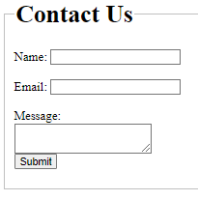 | Contact Us
Md. Hajjaj Bin Sonosi | Feature: 16 |  | History
 | phase 4 | 38 | Transaction History [Admin] [Vendor] | <form> <table> <input=text> <link=button> <submit=button> | Admin and vendor can see their transaction history | data should be retrieve from DB |  | Transaction History
 | phase 4 | 39 | Order History [Admin] [Vendor] [Customer] | <form> <table> <input=text> <link=button> <submit=button> | user can see their order history | data should be retrieve from DB | 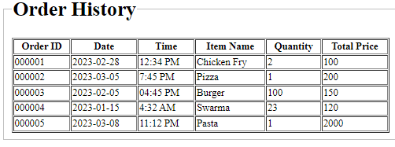 | Order History
Sunjida Kabir Shepa | Feature: 17 |  | App Wallet
 | phase 4 | 40 | Wallet Top Up [Customer] | <form> <label=transaction Id> <input=transaction id> <button=submit> | User can top up their in app wallet through banking. | user must provide a valid transaction number. | 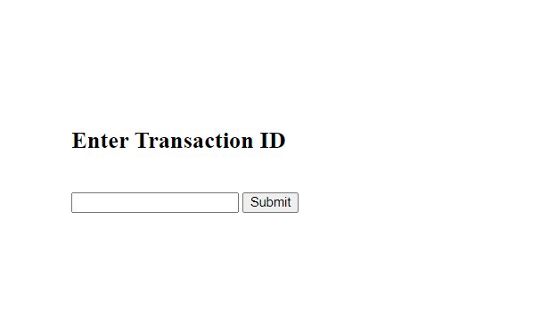 | top_up
 | phase 4 | 41 | Wallet Balance [Customer] | <label=balance> <link=top up> | user can see their in app wallet balance. | the balance should come from the DB. | 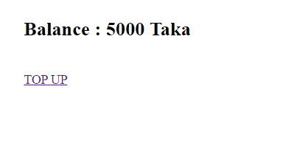 | wallet_balance
Showmitra Roy | Feature: 18 |  | Restaurent Offer
 | phase 4 | 42 | Manage Item's Offers [Vendor] | <form> <table> <input=text> <link=button> <submit=button> | Vendor will provide some offer on some of their specific item's | Input should be only numbers. | 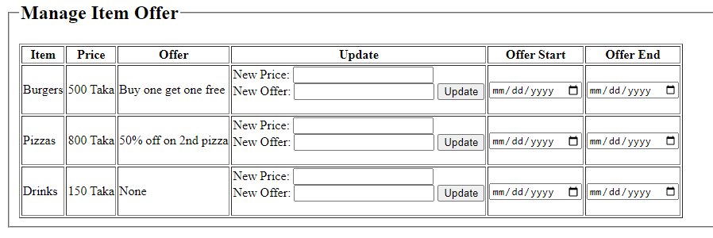 | Manage Item Offers
Sunjida Kabir Shepa | Feature: 19 |  | Order Cancellation and refunds
 | phase 4 | 44 | Cancel Order [Customer] | <label=confirmation> <button=yes> | User can cancel their order anytime before delivered. | user must confirm for their order cancellation by clicking yes button. | 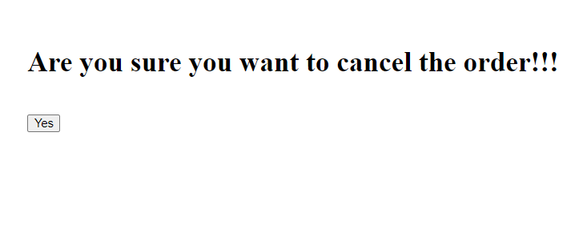 | cancel-order
 | phase 4 | 45 | Refund In App Wallet [System] | <label=refund confirmation> | cancelled order ammount will be refunded to the in app wallet of customer. | User must be notified for the refund process. | 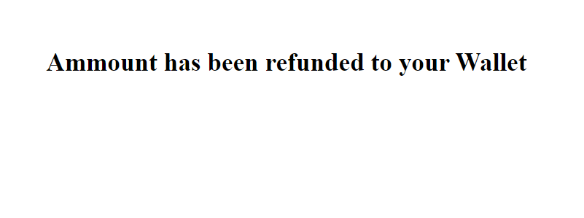 | refund
Showmitra Roy | Feature: 20 |  | Events
 | phase 4 | 46 | Events [Admin] [Vendor] | <form> <table> <input=text> <link=button> <start=button> | Admin and Vendor both can provides offers for their promotion | Events should be same for every customer | 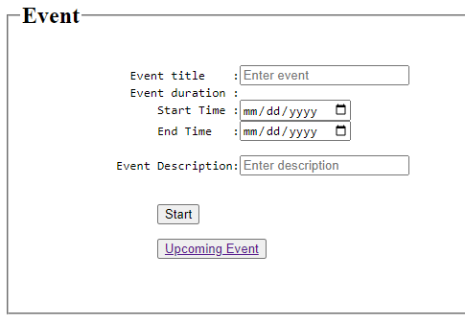 | Events
Asif Ahmed Tanjid | Feature: 21 |  | Setting
 | phase 4 | 48 | Change Password [Admin] [Vendor] [Customer] [Delivery Man] | <Form> <input=current password> <input=new password> <input=retype new password> <button=submit> | User can change their password from setting . | user must provide the current password and provide a valid new password. He must retype new password and both should be matched for changing the password. |  | change_password

